Structure
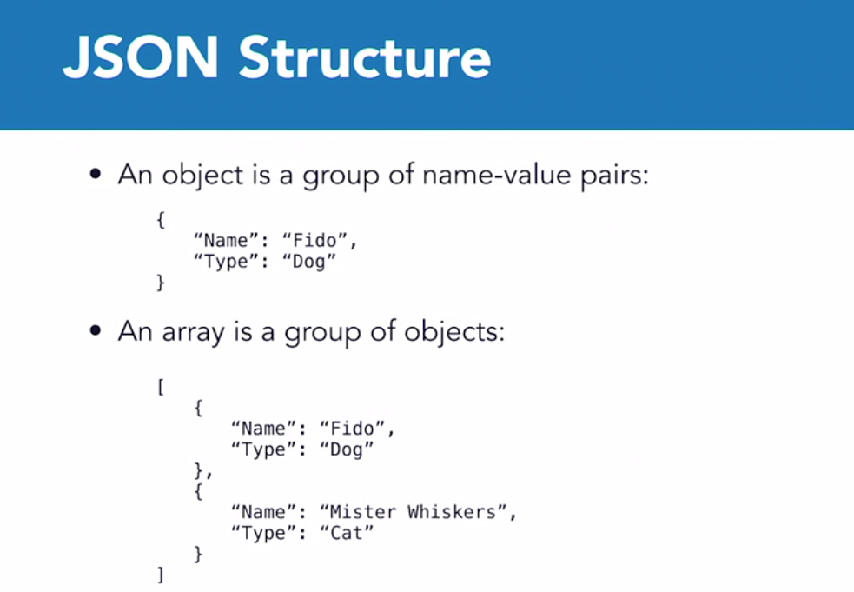

<!DOCTYPE html>
<html>
<body>
<p>Access a JavaScript object:</p>
<p id="demo"></p>
<script>
var myObj, x;
myObj = { name: "John", age: 30, city: "New York" };
x = myObj.name;
document.getElementById("demo").innerHTML = x;
</script>
</body>
</html>
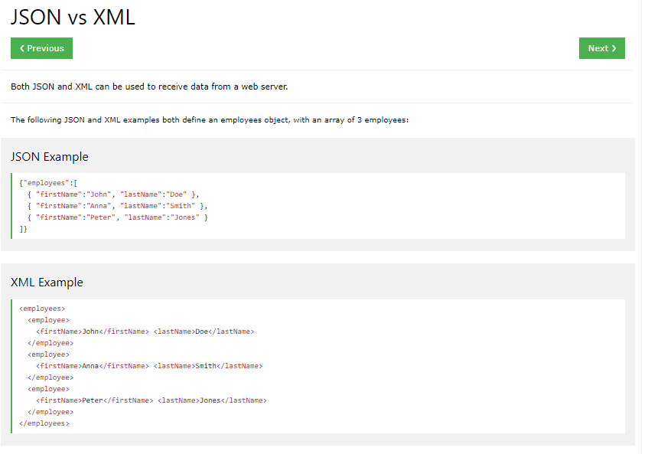
For AJAX applications, JSON is faster and easier than XML:
Using XML
1. Fetch an XML document
2. Use the XML DOM to loop through the document
3. Extract values and store in variables
Using JSON
1. Fetch a JSON string
2. JSON.Parse the JSON string

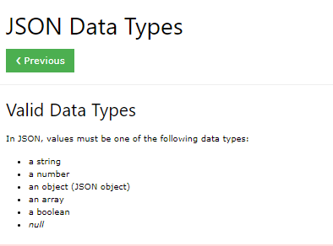

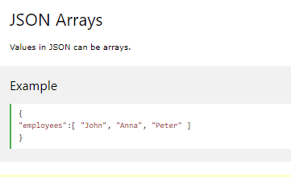

<!DOCTYPE html> <html> <head> <script src="https://code.jquery.com/jquery-3.5.1.min.js" integrity="sha256-9/aliU8dGd2tb6OSsuzixeV4y/faTqgFtohetphbbj0=" crossorigin="anonymous"></script> <script> $(document).ready( function() { let URL = 'json1Demo.txt'; alert("Loaded") let settings = { "url" : URL, "method" : "GET", "timeout" : 0 }; let year = "Nothing"; let oText = "Nothing2"; $.ajax ( settings ).done( function( response) { console.log("resonse:"); console.log(response); var jList = JSON.parse(response); let r2 = jList[2]; alert("done!" + r2); }); }); </script> </head> <body> <h2>Content as Array.</h2> <p>Content written as an JSON array will be converted into a JavaScript array.</p> <p id="demo"></p> <script> var xmlhttp = new XMLHttpRequest(); xmlhttp.onreadystatechange = function() { if (this.readyState == 4 && this.status == 200) { var myArr = JSON.parse(this.responseText); document.getElementById("demo").innerHTML = myArr[0]; } }; xmlhttp.open("GET", "json1Demo.txt", true); xmlhttp.send(); </script> <p>Take a look at <a href="json1Demo.txt" target="_blank">json_demo_array.txt</a></p> </body> </html>

[
"Ford",
"BMW",
"Audi",
"Fiat"
]

<!DOCTYPE html>
<html>
<body>
<h2>Content as Array.</h2>
<p>Content written as an JSON array will be converted into a JavaScript array.</p>
<p id="demo"></p>
<script>
var xmlhttp = new XMLHttpRequest();
xmlhttp.onreadystatechange = function() {
if (this.readyState == 4 && this.status == 200) {
var myArr = JSON.parse(this.responseText);
document.getElementById("demo").innerHTML = myArr[0];
}
};
xmlhttp.open("GET", "json_demo_array.txt", true);
xmlhttp.send();
</script>
<p>Take a look at <a href="json_demo_array.txt" target="_blank">json_demo_array.txt</a></p>
</body>
</html>

pets1
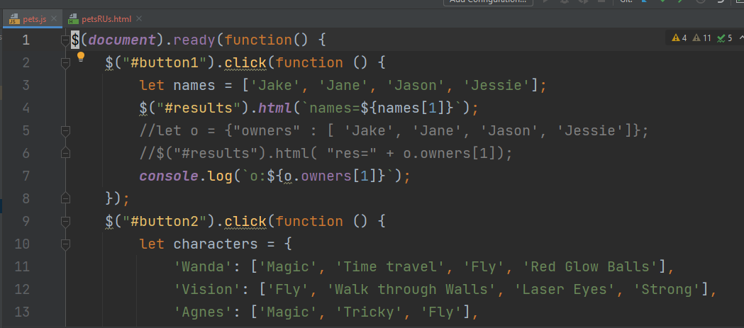
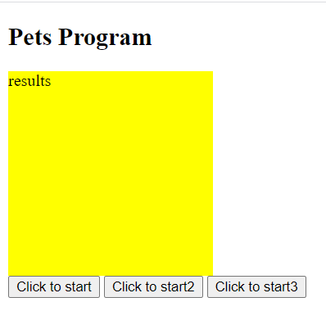

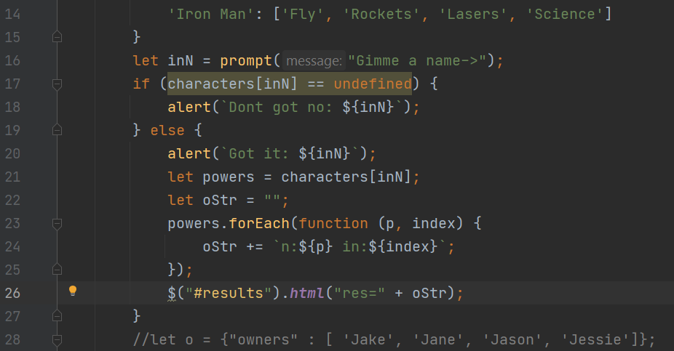

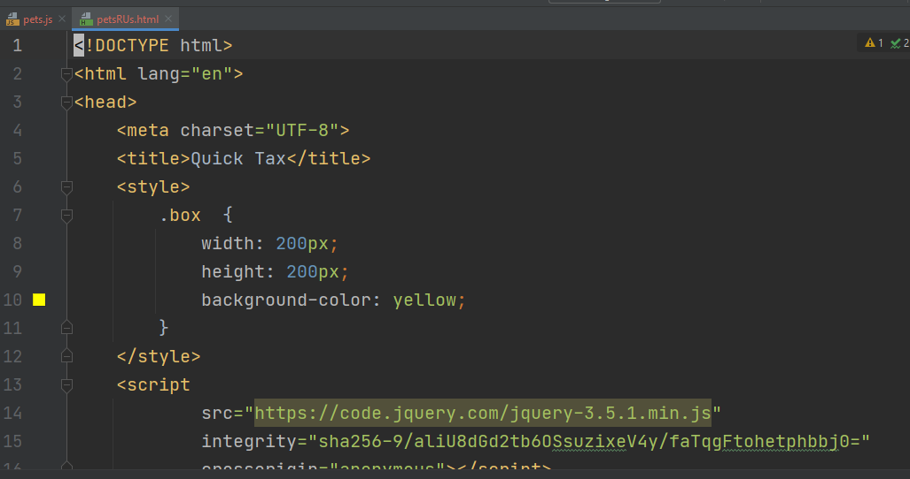

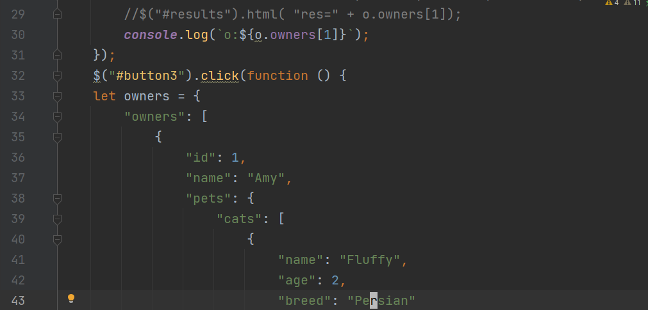

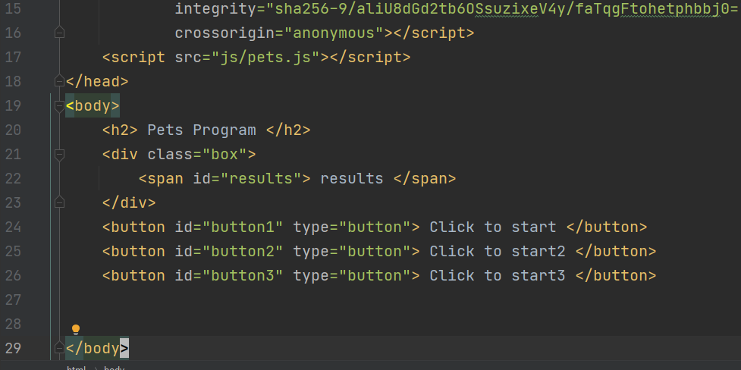

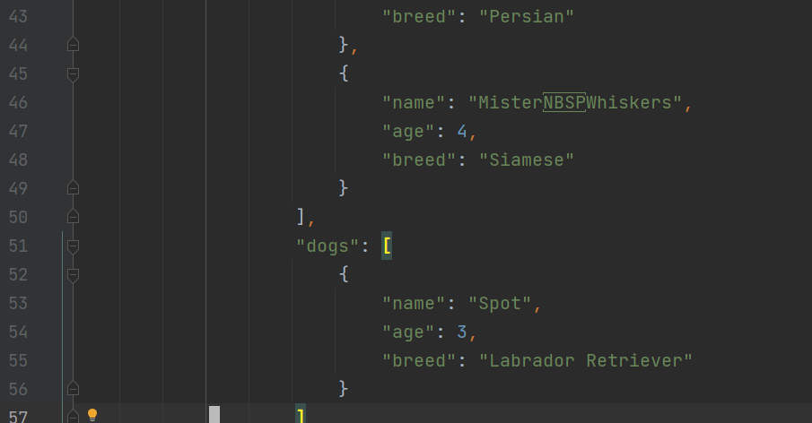

let owners = { "owners": [ { "id": 1, "name": "Amy", "pets": { "cats": [ { "name": "Fluffy", "age": 2, "breed": "Persian" }, { "name": "Mister Whiskers", "age": 4, "breed": "Siamese" } ], "dogs": [ { "name": "Spot", "age": 3, "breed": "Labrador Retriever" } ] } }, { "id": 2, "name": "Bob", "pets": { "cats": [ { "name": "Galadriel", "age": 2, "breed": "Ragdoll" }, { "name": "Gandalf", "age": 3, "breed": "Ragdoll" } ] } }, { "id": 3, "name": "Carol", "pets": { "cats": [ { "name": "D'Artagnan", "age": 5, "breed": "Persian" } ], "dogs": [ { "name": "Moe", "age": 3, "breed": "Border Collie" }, { "name": "Fred", "age": 3, "breed": "Shih Tzu" }, { "name": "Penelope", "age": 4, "breed": "Great Dane" } ] } } ] };

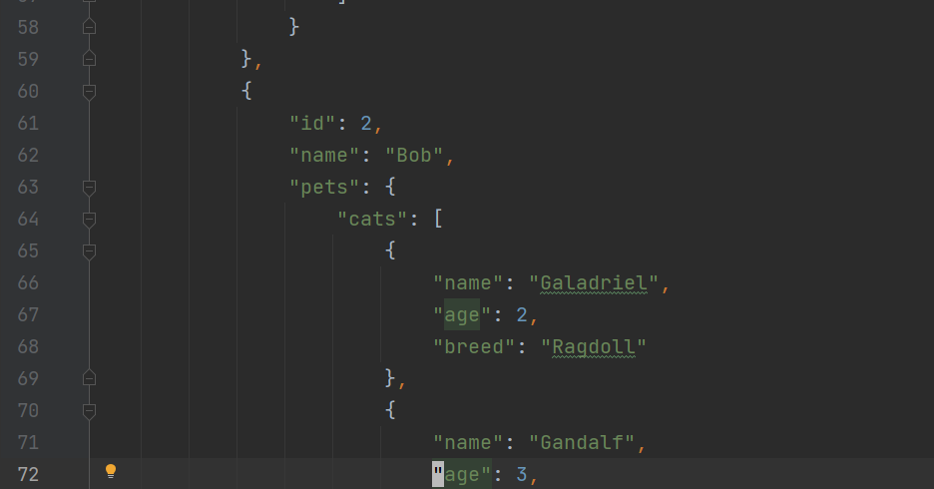

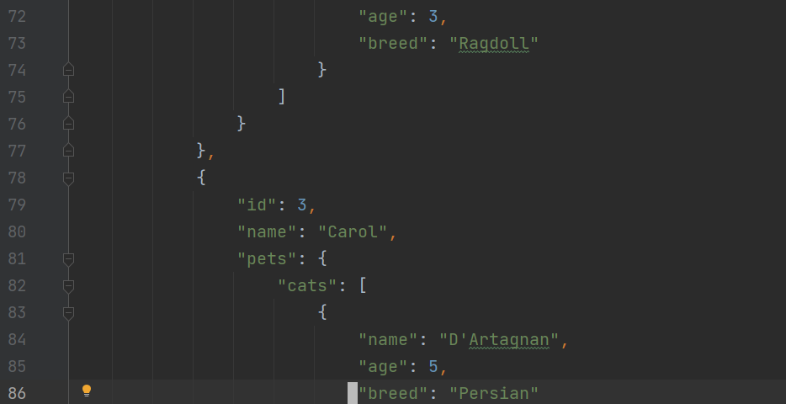

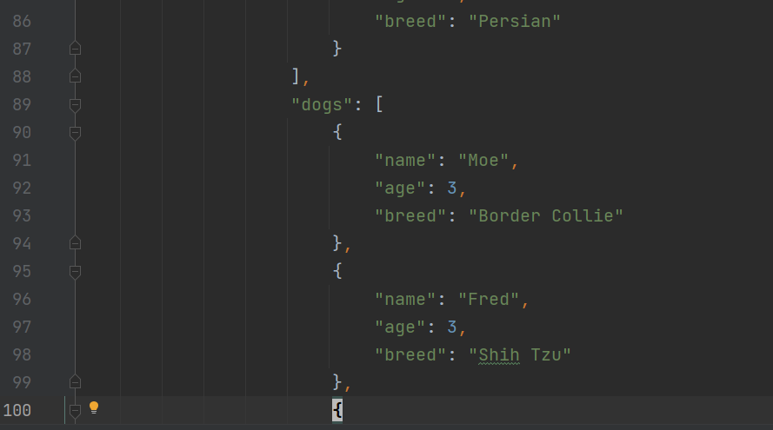

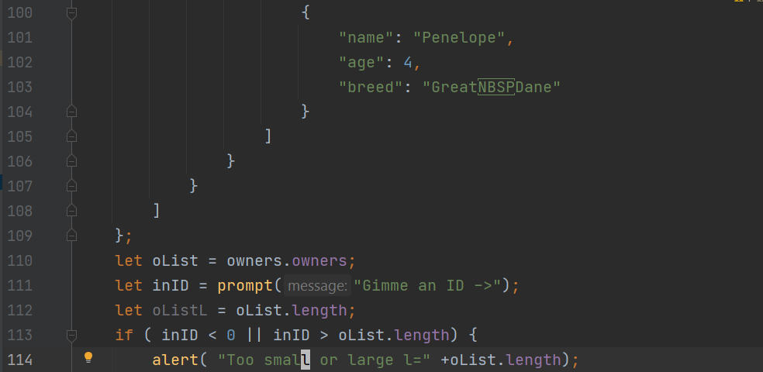

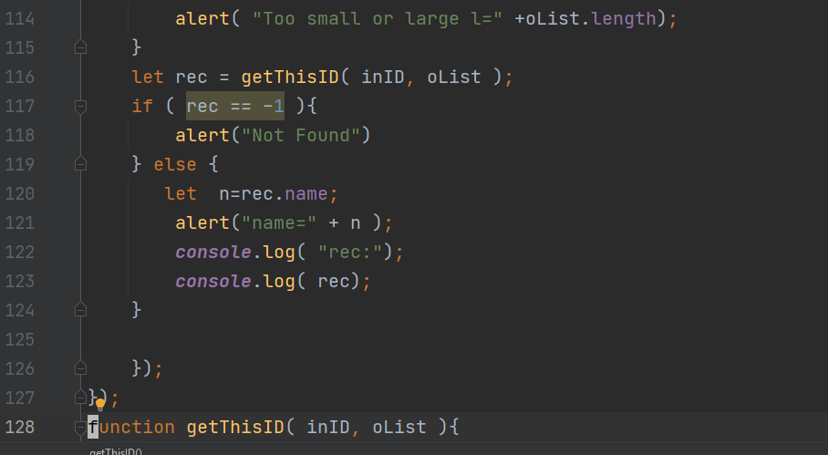

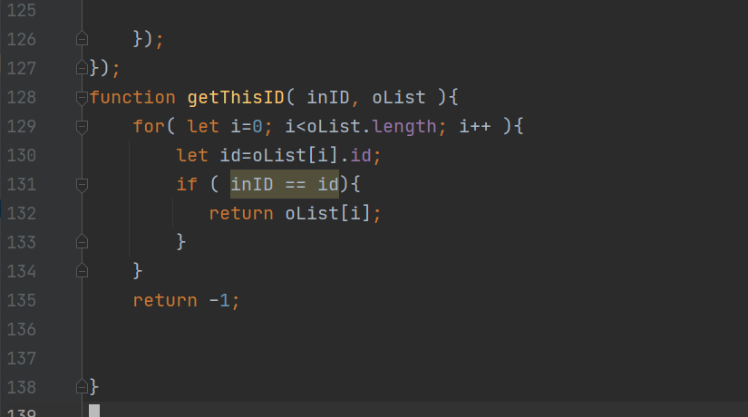
H-

Numbers
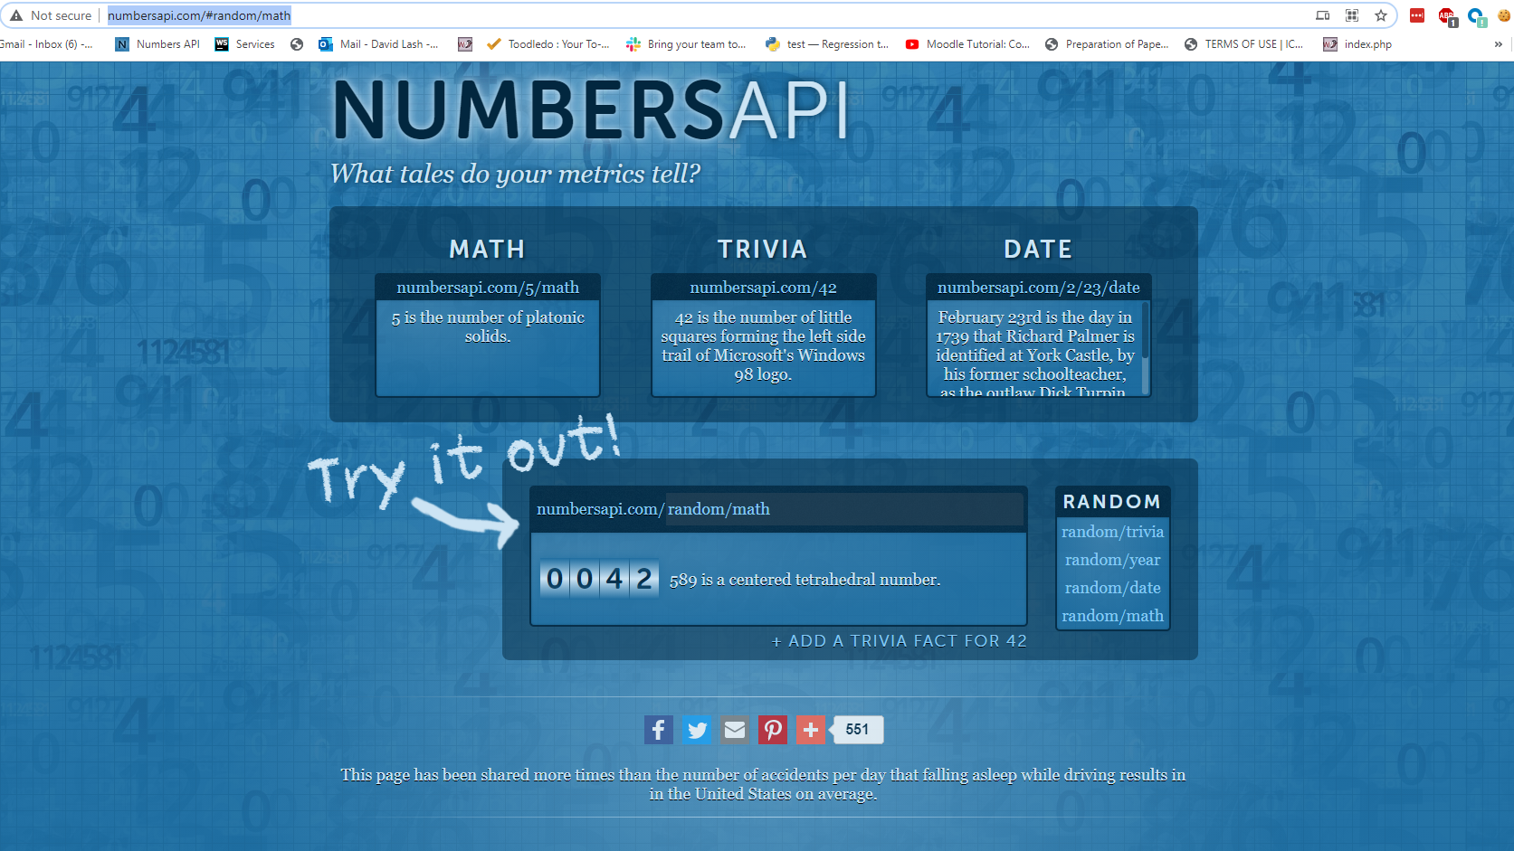
http://numbersapi.com/#random/math
http://numbersapi.com/random/year?json';

$(document).ready( function(){ $("#startIt").click( function () { let URL = 'http://numbersapi.com/random/year?json'; alert("click=" + URL) ; let settings = { "url" : URL, "method" : "GET", "timeout" : 0 }; let year = "Nothing"; let oText = "Nothing2"; $.ajax ( settings ).done( function( response) { alert("done"); console.log("Resonse:"); console.log( response ); alert( response.text ); alert( response.type ); //alert( response.number ); year = response.number; $("#year").html( year ); alert( "YEAAR22:" + year ); oText = response.text; $("#results").html( oText ); } ) }) })
<!DOCTYPE html> <html lang="en"> <head> <meta charset="UTF-8"> <title>Title</title> <script src="https://code.jquery.com/jquery-3.5.1.min.js" integrity="sha256-9/aliU8dGd2tb6OSsuzixeV4y/faTqgFtohetphbbj0=" crossorigin="anonymous"></script> <script src="js/numbersAPI.js"></script> </head> <body> <span id="year"> Results here</span> <span id="results"> Results here</span> <form> <button id="startIt" type="button" > Click To Start </button> </form> </body> </html>

Files
Look at http://45.55.136.114/~dlash/REST/contacts.txt and
http://45.55.136.114/~dlash/REST/owners.txt

{"owners": [
{
"id": 1,
"name": "Amy",
"pets": {
"cats": [
{
"name": "Fluffy",
"age": 2,
"breed": "Persian"
},
{
"name": "Mister Whiskers",
"age": 4,
"breed": "Siamese"
}
],
"dogs": [
{
"name": "Spot",
"age": 3,
"breed": "Labrador Retriever"
}
]
}
},
{
"id": 2,
"name": "Bob",
"pets": {
"cats": [
{
"name": "Galadriel",
"age": 2,
"breed": "Ragdoll"
},
{
"name": "Gandalf",
"age": 3,
"breed": "Ragdoll"
}
]
}
},
{
"id": 3,
"name": "Carol",
"pets": {
"cats": [
{
"name": "D'Artagnan",
"age": 5,
"breed": "Persian"
}
],
"dogs": [
{
"name": "Moe",
"age": 3,
"breed": "Border Collie"
},
{
"name": "Fred",
"age": 3,
"breed": "Shih Tzu"
},
{
"name": "Penelope",
"age": 4,
"breed": "Great Dane"
}
]
}
}
]
}

Chuck API
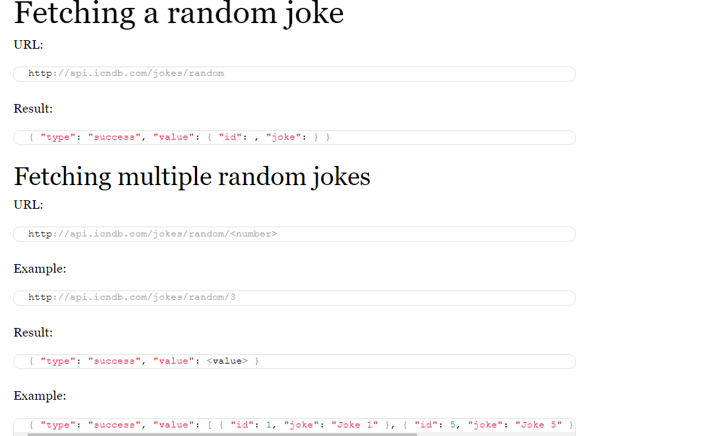
http://www.icndb.com/api/

Chuck
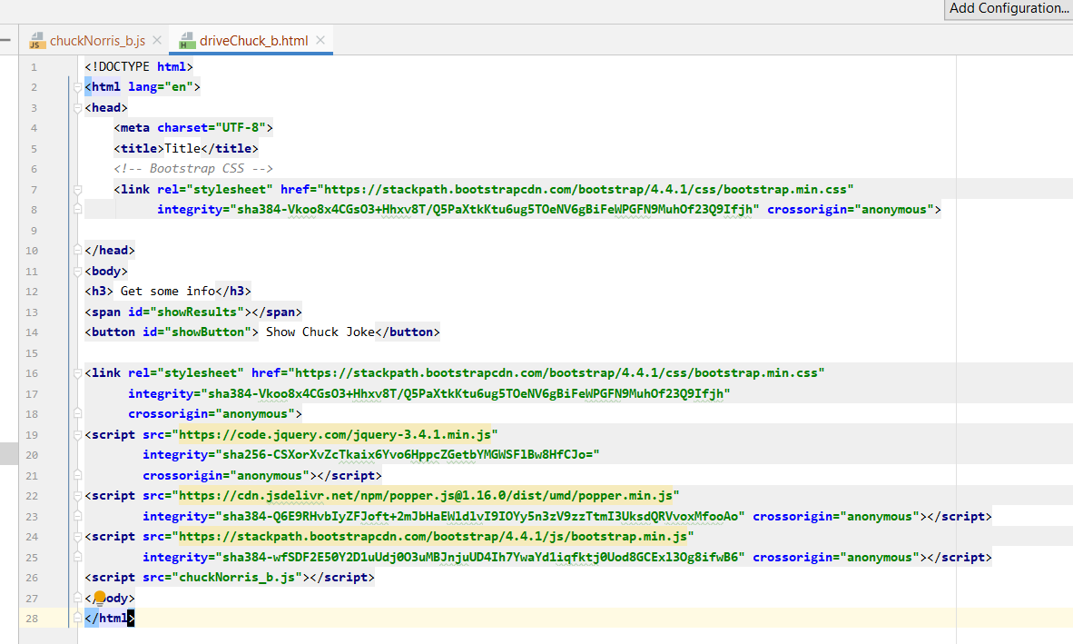

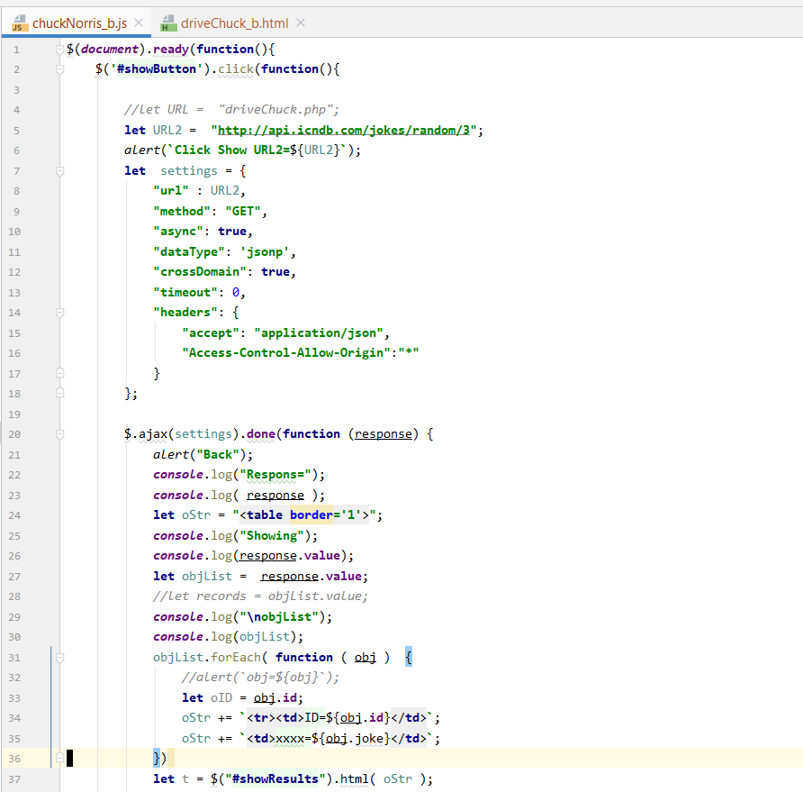

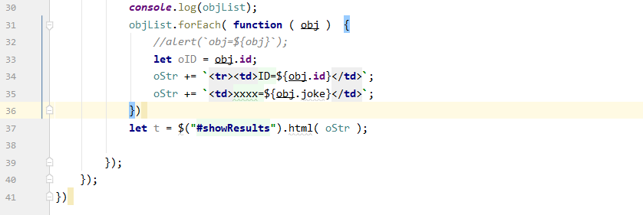
s

REST
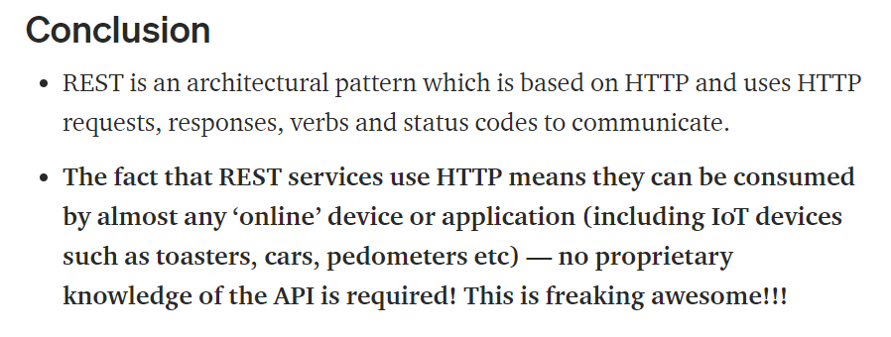
HTTP => protocol for sending/recieving documents on the Web.
REST => uses HTTP protocol. Provides functionalities for web-based
a very light-weight, simple and effective way!
https://medium.com/@ahmetozlu93/mastering-rest-architecture-rest-architecture-details-e47ec659f6bc#:~:text=REST%20is%20an%20architectural%20pattern%20which%20is%20based%20on%20HTTP,and%20status%20codes%20to%20communicate.

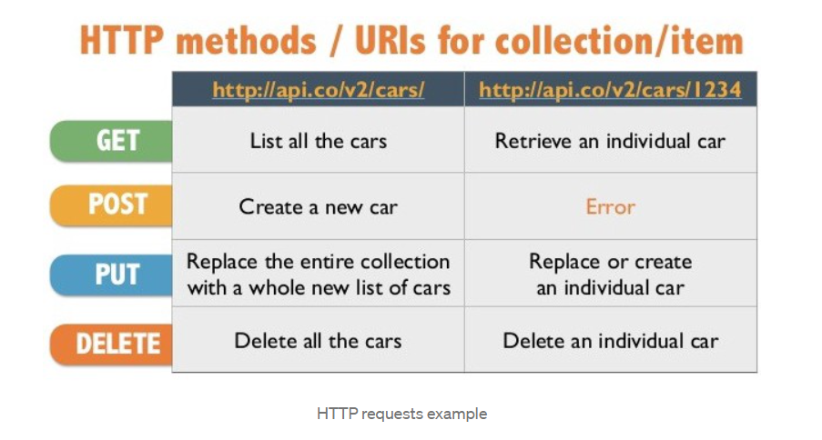

Benefits of using REST Architecture
1. RESTful as lightweight Web Services: (reaction to the more heavy-weight SOAP-based standards.)
- simple point-to-point communication over HTTP using plain XML (RESTful permits many different data formats whereas SOAP only permits XML.)
2. The simplicity of RESTful: much simpler to develop than SOAP.
One of the main reasons for REST popularity is the simplicity and ease of use.
3. RESTful architecture is closer in design to the Web: RESTful is the architectural style of the web itself,
so the developer with knowledge in web architecture will naturally develop in the RESTful architecture.
4. Scalability: As RESTful forbids conversational state, which means we can scale very wide by adding additional server nodes behind a load balancer.
5. Expose APIs as HTTP Services: When developers need the universal presence with minimum efforts, given the fact that RESTful APIs are exposed as HTTP Services, which is virtually present on almost all the platforms.

Architecture
https://restfulapi.net/rest-architectural-constraints/

Uniform interface => MUST decide APIs interface for resources inside the system which are exposed to API consumers and follow religiously.
Resource based => have only one logical URI,
-> provide a way to fetch related or additional data.
-> follow specific guidelines such as naming conventions, link formats, or data format (XML or/and JSON).
-> All resources follow same approach at site
Once a developer becomes familiar with one of your APIs, he should be able to follow a similar approach for other APIs.

REST Architectural Constraints
REST stands for Representational State Transfer, a term coined by Roy Fielding in 2000.
It is an architecture style for designing loosely coupled applications over HTTP

Client–server -> client apps and server apps MUST be able to evolve separately without any dependency on each other.
Client -> only needs to know URL resource KISS
this is standard practice in web development,
E.g. can replace Servers and clients independently, as long as the interface between them is not altered.

Stateless -> E.g., HTTP - Server does not store anything about incoming requests
No client context shall be stored on the server between requests. The client is responsible for managing the state of the application..

Cacheable - Responses cacheable to improve performance.
Well-managed caching partially or completely eliminates some client-server data -> improving performance

Layered system
REST allows you to use a layered system architecture where you deploy the APIs on server A, and store data on server B and authenticate requests in Server C, for example. A client cannot ordinarily tell whether it is connected directly to the end server or an intermediary along the way.

Using RESTful APIs, you can do the same thing with your web services what you do to web pages.

Naming
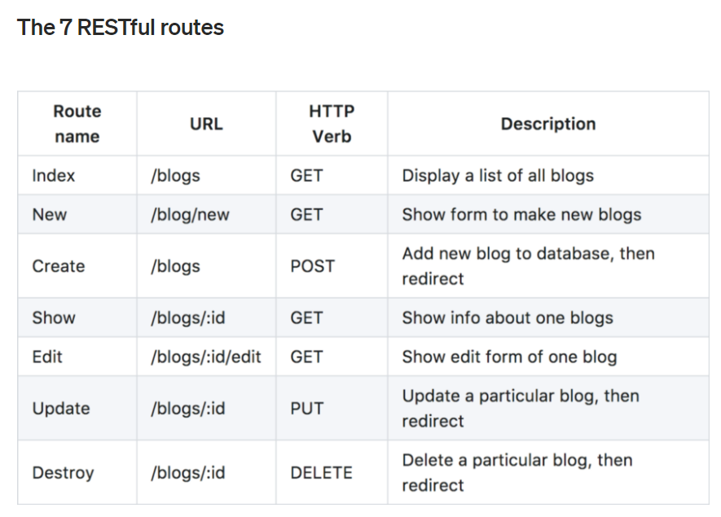
https://restfulapi.net/resource-naming/

any concept that might be the target of an author’s hypertext reference must fit within the definition of a resource.

The key abstraction of information in REST is a resource. Any information that can be named can be a resource: a document or image, a temporal service (e.g. “today’s weather in Los Angeles”), a collection of other resources, a non-virtual object (e.g., a person), and so on. In other words, any concept that might be the target of an author’s hypertext reference must fit within the definition of a resource. A resource is a conceptual mapping to a set of entities, not the entity that corresponds to the mapping at any particular point in time.Roy Fielding’s dissertation

A resource can be a singleton or a collection.
E.g., “customers” ( collection) “customer” (singleton)
“customers” collection resource using the URI “/customers”.
“customer” resource using the URI “/customers/{customerId}”.

REST Resource Naming Best Practices

Use nouns -> represent resources: (e.g., Users, accounts, books

https://medium.com/@shubhangirajagrawal/the-7-restful-routes-a8e84201f206#:~:text=What%20is%20CRUD%3F,PUT%2C%20and%20DELETE%2C%20respectively.

Building Routes
1. Determine Object Model
- Identify the objects of resources. E.g., devices, books, students
- Detemermine if 1 is sub-resource of another (e.g., classrooms/students or devices/configurations

2. Create the model -
hese URIs do not use any verb or operation. It’s crucial not to include any verb in URIs. URIs should all be nouns only.

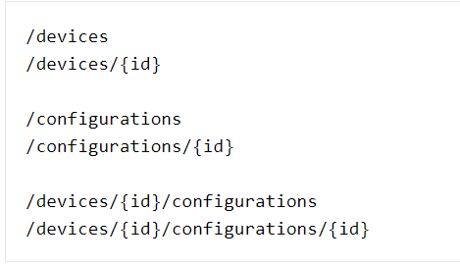

2. Determine the representations
most likely JSON or XML (more expressive, harder to parse, more data)

Collection of Device Resource
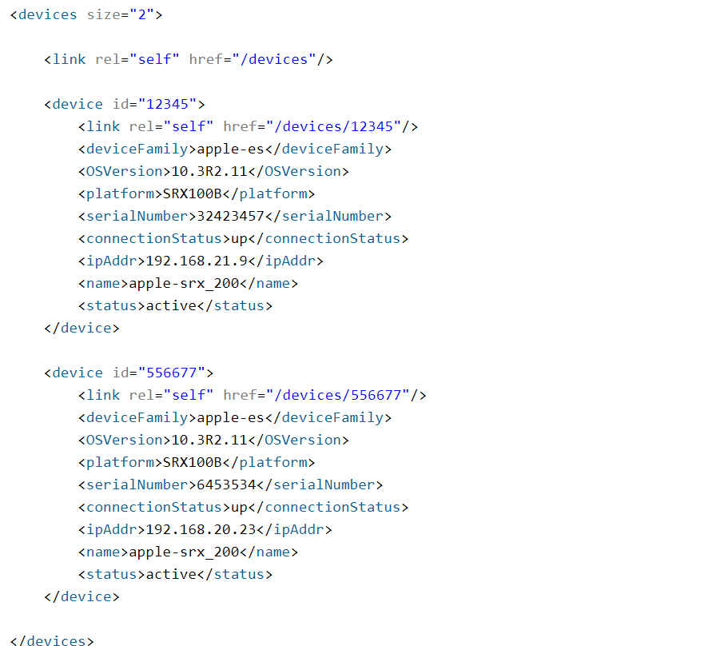

Single Resource

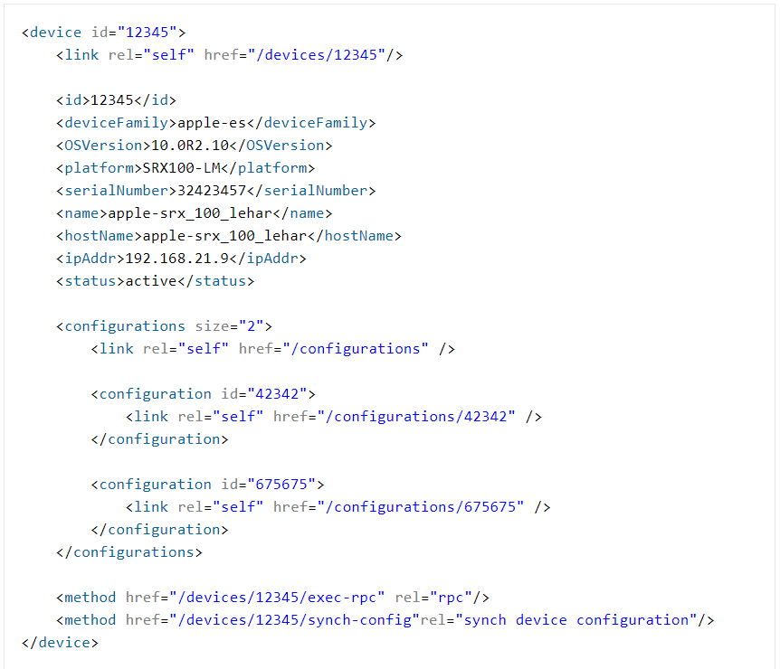

Assign HTTP Methods

You can apply paging and filtering as well

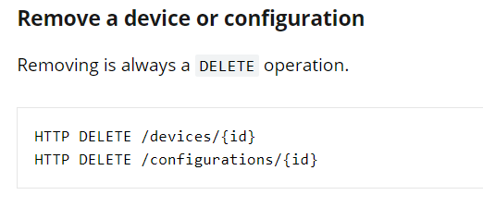
A successful response SHOULD be 202 (Accepted) if resource has been queues for deletion (async operation), or 200 (OK) / 204 (No Content) if resource has been deleted permanently (sync operation).

